OES-PSC-290
 | STATE OF CALIFORNIA
 | CALIFORNIA GOVERNORS OFFICE OF EMERGENCY SERVICES |  |  |  |  |  | PUBLIC SAFETY COMMUNICATIONS
 | REIMBURSEMENT CLAIM
 | OES-PSC-290 (Rev. 12-2025)

Public Agency: |  |  |  |  | Accounts Payable Name and Address
Address:
City, State, Zip:
PSAP Manager:
E-mail Address:
Phone Number:
Fax Number:
Type of Reimbursement Claim: All reimbursement claims must be submitted no later than ninety (90) calendar days after the close of the State fiscal year in which funds have been expended.

Description of equipment and services being submitted for reimbursement in accordance with CA 9-1-1 Branch Operations Manual, Chapter III (Rev. 2014):
Please provide itemized, detailed receipt copies for each person named as a claimant and item claimed |  |  | Issued by the CA 9-1-1 Branch | Please provide date range(s) |  | Amount claimed per item description | CA 9-1-1 Branch Use Only
Description |  |  | Tracking# | Time Period of Claim |  | Total Cost Per Item | Amount Approved

REIMBURSEMENT CLAIM TOTAL |  |  |  |  |  | - | $0.00
I declare under penalty of perjury that the amount requested for each reimbursement is correct and is a legitimate claim for reimbursement from the CA 9-1-1 Branch, State Emergency Telephone Number Account.

FINANCIAL OFFICIAL AUTHORIZED TO SIGN FOR PUBLIC AGENCY (other than claimant named for reimbursement) |  | Name: |  |  |  | Title:
 |  | Signature: |  |  |  | Date:
 |  | Address:
 |  | Email: |  |  |  | Phone:
CA 9-1-1 Branch Use Only
RECOMMENDED APPROVAL |  | PSAP Code | Date |  | APPROVED BY |  | Date

PCA: 17000 | Fiscal Year: |  |  |  | Approved Amount:
Index: 7350 | Object Code: 702. |  |  |  | Approved By:
 | Vendor Number: |  |  |  | Date:

OES-PSC-290 Instructions
u

Enter the name of your Accounts Payable information in this section if different from Public Agency.
Enter the name of your Agency, address, PSAP manager’s name, email, phone, and fax number in this section.

v

If your claim does not have a box to check, then check Other:
Just to the right is the box space for you to type in exactly what type of claim it is.

Specify claim type by clicking on the appropriate box.
County Coordinator (CC) Expense claims are separate from Annual Training Allotment – County Coordinator (ATA-CC) claims and should be filed separately from each other. Check only one box. Attach supporting documents that support only that claim.

w

Describe the equipment and or service to be reimbursed in compliance with the CA 9-1-1 Branch Operations Manual, Chapter III in this section.

Enter a description of the item to be reimbursed. Such as: Name of claimant- CALNENA Registration.
Claimant – Lodging
Claimant – Airfare
Claimant – Parking, Taxi, Toll fees, etc.
 |  | x

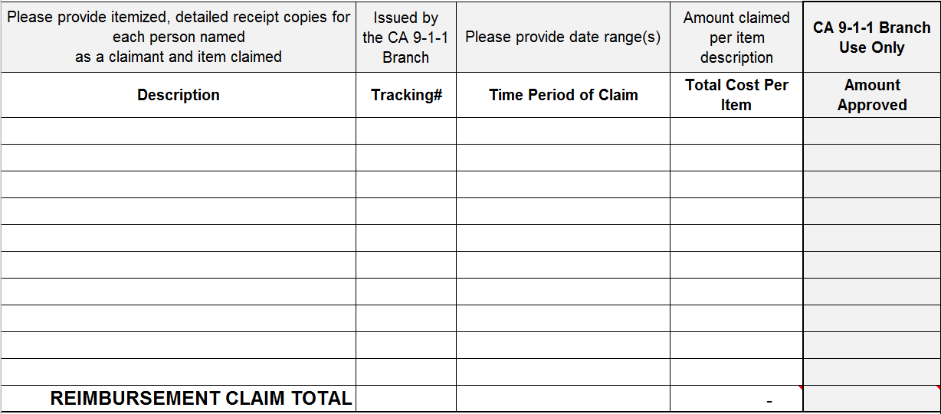

The grey shaded area is for the CA 9-1-1 Branch use only. Please do not enter anything in this area.
When claiming Wages while attending a training event a OES-PSC-290A form must also be attached with this OES-PSC-290.

If CA 9-1-1 Branch has issued a OES-PSC-288 form – enter the number in this section. Otherwise leave this blank
Enter the date range(s) of this claim here.
Enter the amount paid per item to be reimbursed.
Enter total of all lines.

When claiming mileage on form OES-PSC-290A a MapQuest or other 3rd party mapping document must also be attached with this OES-OSC-290.

The financial official for your agency should be entered here with a hard signature on the original form. This cannot be a person named as a claimant in the claim.
Signature is required for claim consideration.

y

The completed form must be U.S. Mailed to:
Public Safety Communications
CA 9-1-1 Branch
601 Sequoia Pacific Blvd, MS-911
Sacramento, CA 95811-0231

If you have any questions at all about how to complete this form please contact the Reimbursement Claim Coordinator at the CA 9-1-1 Branch.
(916) 657-9369 M-F, 8am-5pm

